Q-1
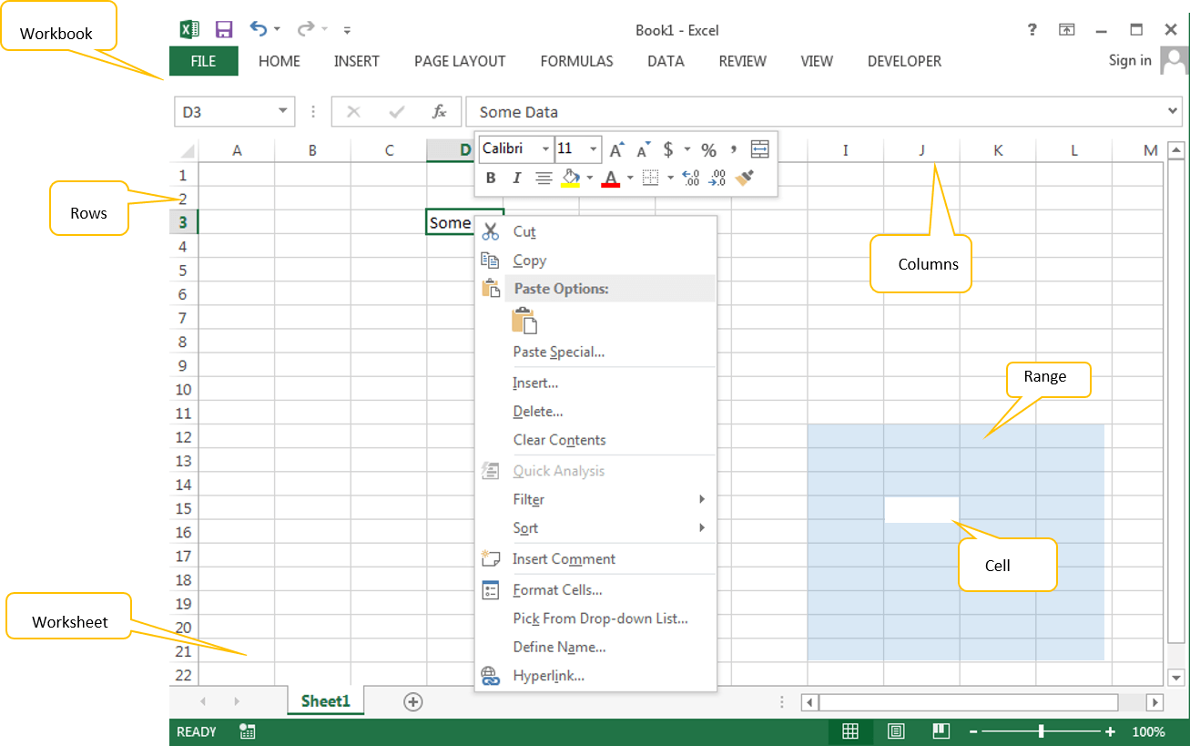
Q-1 What are the various elements of the Excel interface? Describe how they're used.?
◊ The following are the basic parts of the Microsoft Excel Window:
→Menu Bar or Ribbon: Where all the important functions are listed .
→Address Bar: We can see the active Cell, Range or Object Name here. You can type any name of the object to activate it.
→Formula Bar: Where we can write a formula they will show up .
→Status Bar: Where you can see the status of the Application task.
→Zoom: We can increase or decrease the zoom levels of the worksheets.
→Quick Access Tool Bar: We can assign any utility to quickly access it.
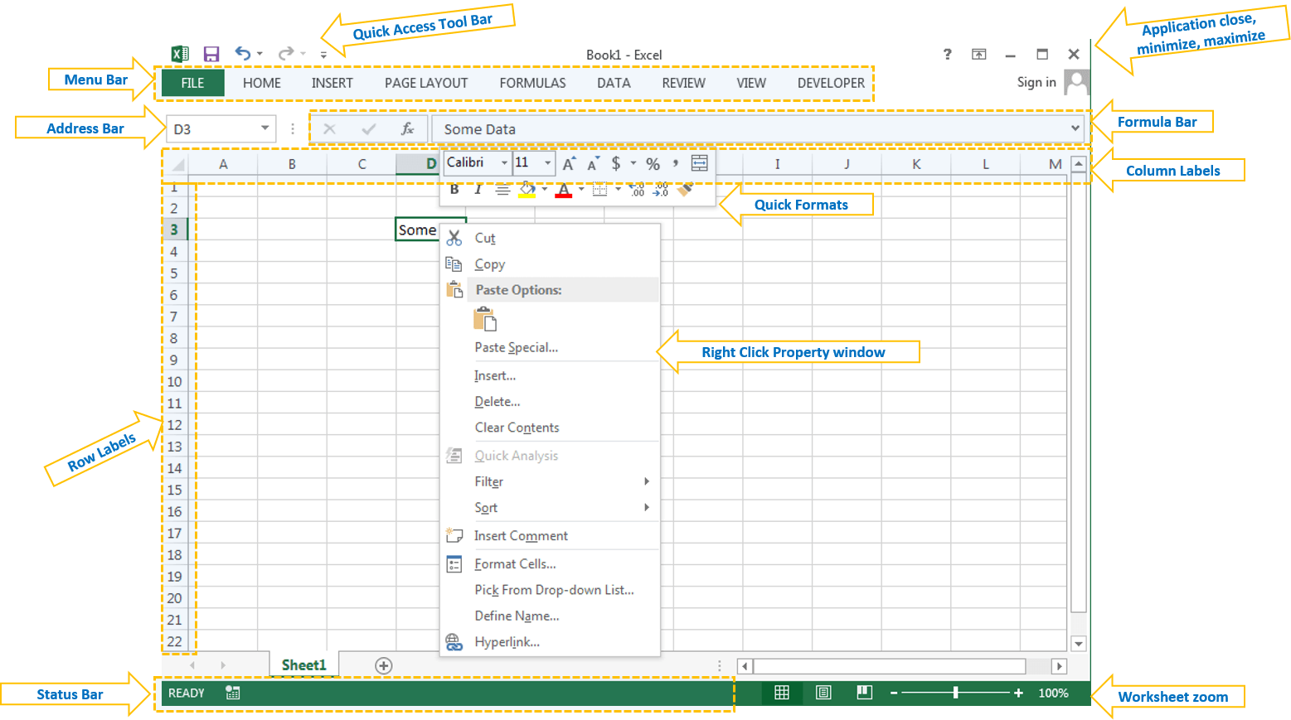

→Workbook: It is the main file, which we can give name and store it in desired folder. All other objects are part of this workkbook
→Worksheet: It is a the space where we can enter our data and format. A workbook is a collection of worksheets.
→Cell: Cell is the part of the worksheet, where we enter the data, formulas.
→Range: It is a collection of Cells in excel worksheet.
→Rows: These are records (1,2,3,4…) in excel worksheet.
→Columns: These are Fields (A,B,C,D,…) in excel worksheet.

Q-2
Q-2 Write down the various applications of Excel in the industry.
◊ MS Excel or Microsoft Excel is an essential software program of Microsoft Office Suite developed by Microsoft.
◊It is one of the most powerful spreadsheet software that uses rows and columns to organize the data.

◊ uses of Microsoft Excel that will help us understand the potential of this powerful software and how different people or organizations are using it for their needs. They are as follows:

 | □ Data Entry and Storage

 | □ Performing Calculations

 | □ Data Analysis and Interpretation

 | □ Reporting and Visualizations

 | □ Accounting and Budgeting

 | □ Collection and Verification of Business Data

 | □ Calendars and Schedules

 | □ Administrative and Managerial Duties

 | □ Forecasting

 | □ Automating Repetitive Tasks

Q-3
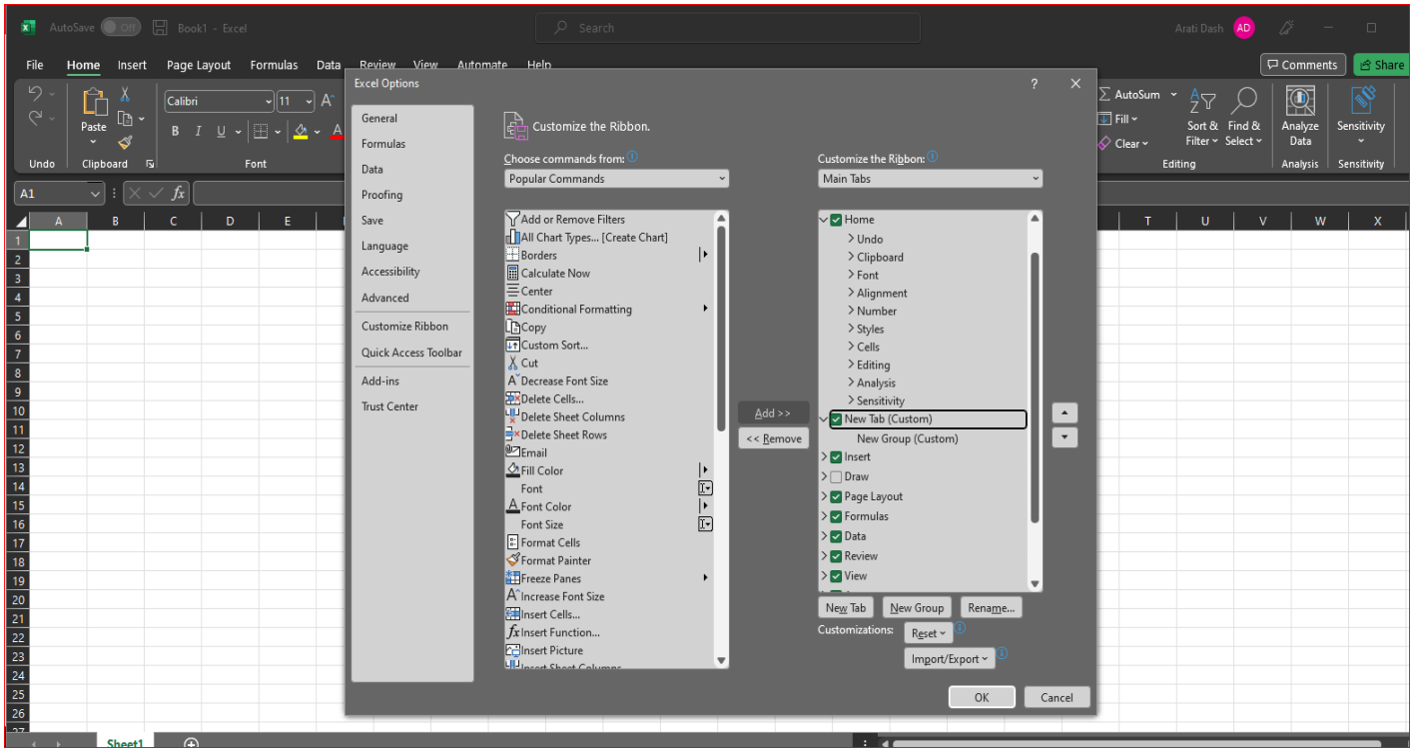
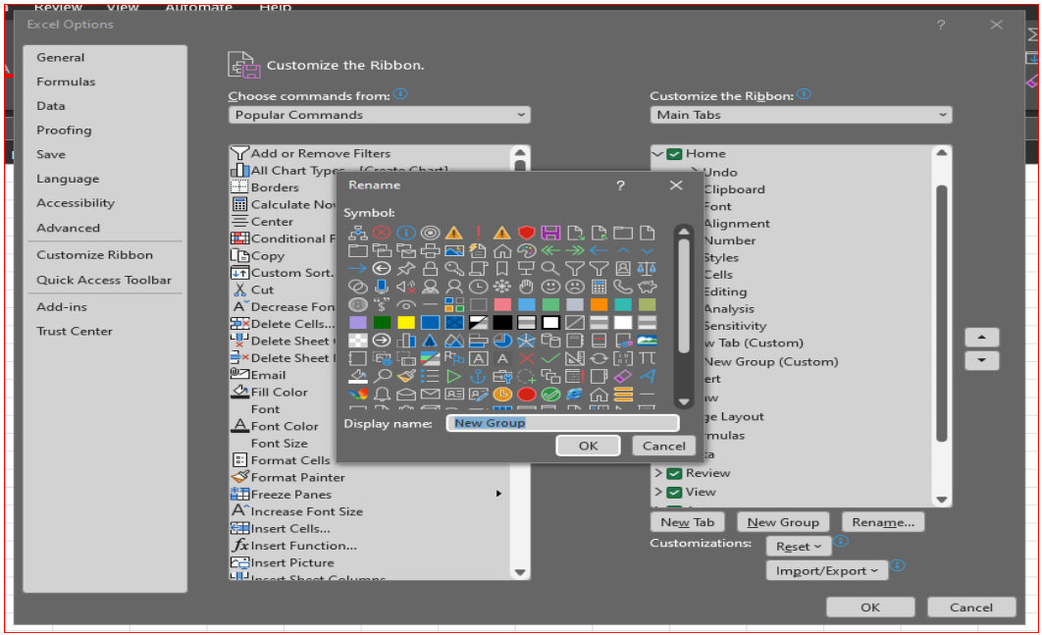
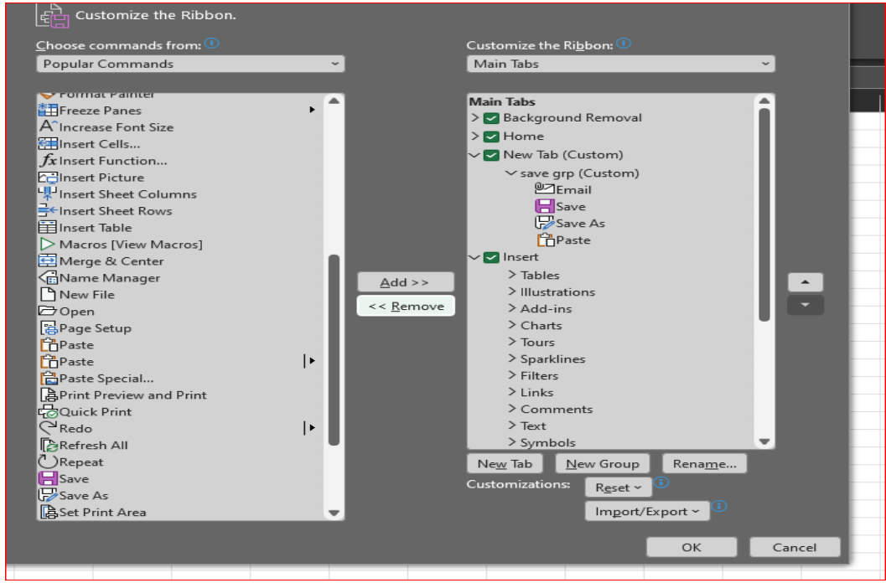

Q-3 On the ribbon, make a new tab. Add some different groups, insert On the ribbon, make a new tab. Add some different groups, insert added. Copy and paste the screenshot of the steps you followed.
◊ First right click on the tab button → choose custom the ribbon, then follows

